Roughness Sensor
Roughness Sensor/Analysis Testing

Test Case ID: |  | 1 |  | Designed by: | Nat
Test Priority (Low/Medium/High): |  | High
Module Name |  | Roughness Sensor |  | Test Executed by: | Iven
Test Title: |  | Initialization to read device ID |  | Test Execution date: | January 7th, 2019
Description: |  | Test initialization to read device ID and output it to terminal to ensure basic communication with the device is established.

Pre-conditions: Accelerometer is connected to microcontroller. Computer connected to microcontroller using serial to uart to read results from test.
Dependencies:

Step | Test Steps | Test Data | Expected Results | Actual Result | Satus (Pass/Fail) | Note
1 | Connect accelerometer to microcontroller using I2C, reference STM Cube schematic for pin references
2 | Connect uart to usb device to microcontroller's appropriate serial port
3 | Flash code using Keil uVision
4 | Read results output to any serial terminal on computer |  | 0x68 read to terminal | 0x68 | Pass

Post-Condition:

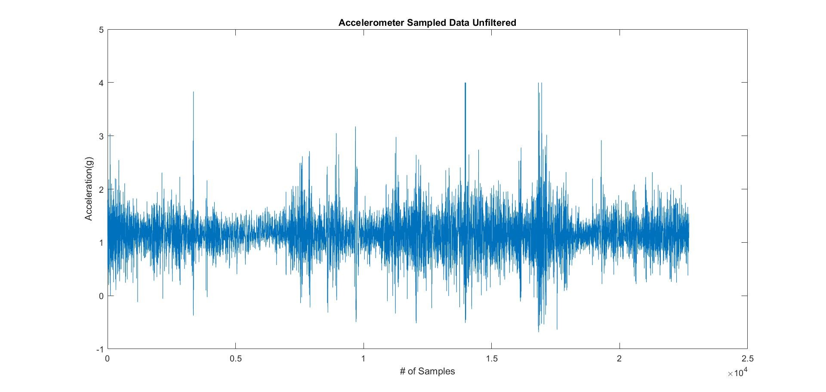
Test Case ID: |  | 2 |  | Designed by: | Nat
Test Priority (Low/Medium/High): |  | Medium
Module Name |  | Roughness Sensor |  | Test Executed by: | Talha and Iven
Test Title: |  | Output data to terminal |  | Test Execution date: | January 24th, 2019
Description: |  | Output data to terminal for road roughness to see what the response of the accelerometer to actual road driving conditions is. Live plot of roughness data to see what response looks like in real time as well.

Pre-conditions: Accelerometer tested on car driving over road surfaces
Dependencies:

Step | Test Steps | Test Data | Expected Results | Actual Result | Satus (Pass/Fail) | Note
1 | Connect accelerometer to microcontroller using I2C
2 | Connect serial to usb port to microcontroller and computer
3 | Flash code and start test with car driving
4 | Log data with car driving |  |  |  |  | Check figure on right for collected accelerometer data
5 | Drive a few blocks

Post-Condition:

Test Case ID: |  | 3 |  | Designed by: | Nat
Test Priority (Low/Medium/High): |  | Medium
Module Name |  | Roughness Sensor |  | Test Executed by:
Test Title: |  | Log accelerometer data |  | Test Execution date:
Description: |  | Log accelerometer data and compare logged data with data captured with a phone accelerometer to ensure sensor is roughly calibrated/measured against a known reference.

Pre-Conditions:
Dependencies:

Step | Test Steps | Test Data | Expected Results | Actual Result | Satus (Pass/Fail) | Note
1
2
3
4
5

Post-Condition:

Test Case ID: |  | 4 |  | Designed by: | Nat
Test Priority (Low/Medium/High): |  | Medium
Module Name |  | Roughness Sensor |  | Test Executed by: | Iven
Test Title: |  | Accelerometer vs Noise |  | Test Execution date: | 30-Jan-19
Description: |  | Test accelerometer at rest and test what the effects of noise are on the system.

Pre-Conditions: Working code is required to run the test, test environment should have no other external factors
Dependencies:

Step | Test Steps | Test Data | Expected Results | Actual Result | Satus (Pass/Fail) | Note
1 | Connect accelerometer to microcontroller using I2C
2 | Connect serial to usb port to microcontroller and computer
3 | Flash code
4 | Set accelerometer on a level desk
5 | Monitor the results |  | Some noise expected | Some noise shown | PASS

Post-Condition: Filters are to be designed to eliminate the expected noise

GPS Testing
GPS Testing

Test Case ID: |  | 1 |  | Designed by: | Talha
Test Priority (Low/Medium/High): |  | High
Module Name |  | GPS Testing |  | Test Executed by:
Test Title: |  | GPS signal testing for accuracy |  | Test Execution date:
Description: |  | GPS signal is tested for accuracy in comparison to a known reference, most likely cell-phone or other reference, if available. Latitude and longitude coordinates are logged and compared with an error rate calculated to ensure it is with performance specifications.

Pre-Conditions:
Components under test: GPS, Raspberry Pi, phone
Test Tools:

Step | Test Steps | Test Data | Expected Results | Actual Result | Satus (Pass/Fail) | Note
1 | With GPS connected to raspberry pi start logging latitude and longitude coordinates to file with car stationary
2 | At the same time start logging GPS coordinates using phone connected to GPS and data
3 | Log for 5 minutes with car stationary
4 | Drive car for 10 minutes around city logging data
5 | Compare data logged from GPS to cell phone by finding, maximum and average difference between data to see if specifications are met

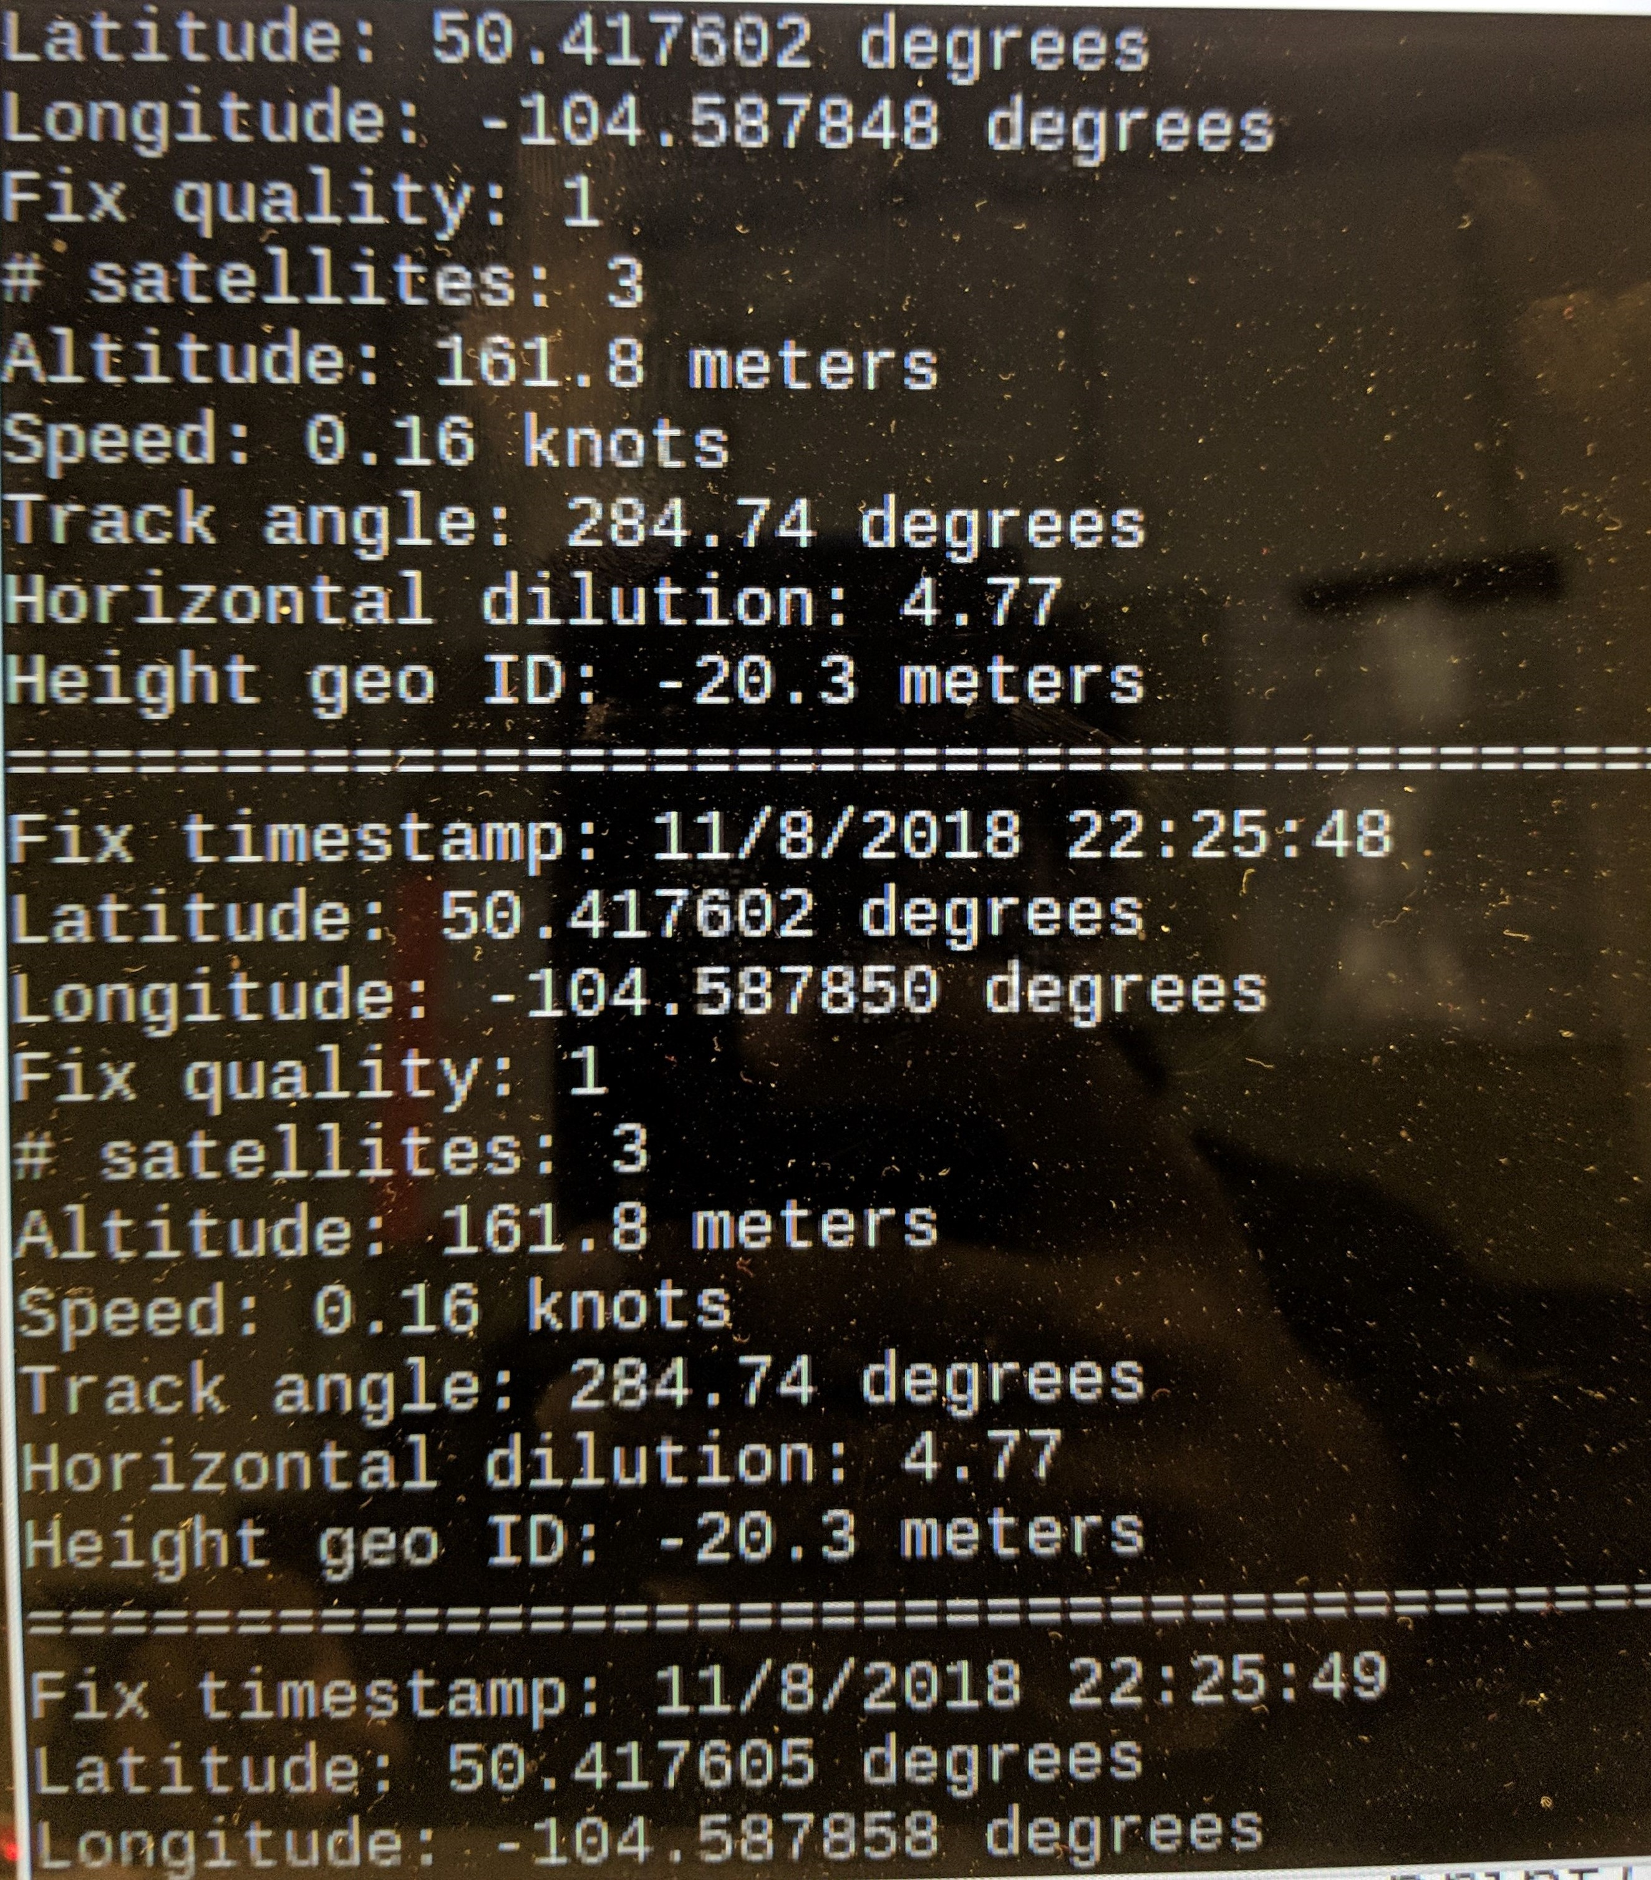
Post-Condition:

Test Case ID: |  | 2 |  | Designed by: | Talha
Test Priority (Low/Medium/High): |  | Medium
Module Name |  | GPS Testing |  | Test Executed by: | Iven
Test Title: |  | GPS data logging |  | Test Execution date: | November 8th, 2018
Description: |  | GPS data is logged with respect to time signal in order to ensure that sample rate is adequate and device can communicate properly with raspberry pi and record latitude and longitude coordinates.

Pre-conditions: Have to be outside to do test with GPS facing no obstructions to the sky
Components under test: Raspberry Pi, GPS
Test Tools: Computer

Step | Test Steps | Test Data | Expected Results | Actual Result | Satus (Pass/Fail) | Note
1 | Connect GPS to raspberry pi using UART interface on raspberry pi
2 | Run position.py script to record GPS data to terminal | Check image on right
3 | Check results from terminal to see if results are satisfactory | Check image on right | Latitude and longitude coordinates are sampled every second | Based on time stamp data, GPS samples and records coordinates every second | Pass
4
5

Post-Condition:

